Dashboard
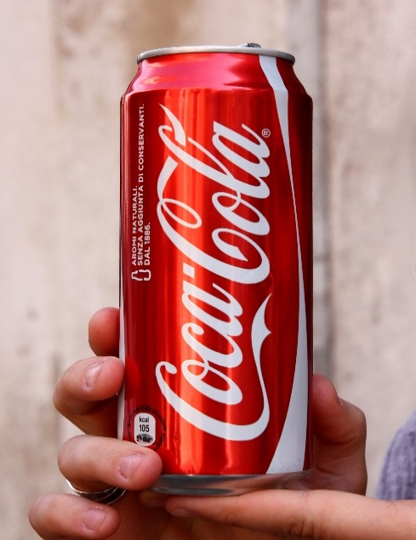
Coca-Cola Retailer Dashboard

Total Sales
Unit Sold
Average Price
Operating Price
$1,20,16,665
$2,47,88,610
$0.45
$47,22,497

Sales by Beverage Brand
Sales by Retailer

Brand | Sales 2022 | Sales 2023 | Variance | Retailer | Sales 2022 | Sales 2023 | Variance
Coca-Cola | $499,102.0 | $2,268,974.9 | $1,769,872.9 | Amazon | $276,210.0 | $1,009,698.7 | $733,488.7
Dasani Water | $469,270.7 | $1,917,827.8 | $1,448,557.1 | BevCo | $466,788.0 | $2,327,606.5 | $1,860,818.5
Diet Coke | $423,758.7 | $1,633,959.3 | $1,210,200.6 | FizzyCo | $161,210.1 | $2,262,827.1 | $2,101,617.0
Fanta | $315,489.2 | $1,116,062.9 | $800,573.7 | Target | $9,250.3 | $1,341,995.0 | $1,332,744.7
Powerade | $349,533.9 | $1,302,529.3 | $952,995.4 | Walmart | $339,912.5 | $580,211.0 | $240,298.5
Sprite | $366,578.0 | $1,353,578.3 | $987,000.3 | West Soda | $1,170,361.6 | $2,070,594.2 | $900,232.6
Total | $2,423,732.5 | $9,592,932.5 | $7,169,200.0 | Grand Total | $2,423,732.5 | $9,592,932.5 | $7,169,200.0
Sales and Operating profit Margin by Years

 | Sum of Total Sales | Average of Operating Margin
1 | 231274.6 | 0.41646666667
2 | 214081.3 | 0.40456140351
3 | 247420.2 | 0.38244274809
4 | 319308.1 | 0.43584615385
5 | 216476.4 | 0.39915789474
6 | 108419.4 | 0.32366666667
7 | 218238.8 | 0.36461538462
8 | 264163 | 0.42690647482
9 | 236768.6 | 0.435625
10 | 142856.9 | 0.42348837209
11 | 116805 | 0.3860952381
12 | 107920.2 | 0.40141304348
0 | 154578.3 | 0.41884057971
1 | 939242.8 | 0.41440518257
2 | 860232.2 | 0.4136375
3 | 522078.2 | 0.42421758569
4 | 649833.9 | 0.42947960619
5 | 857695.6 | 0.42926896552
6 | 871895.3 | 0.42366218236
7 | 1036803.1 | 0.42579104478
8 | 965159.6 | 0.43219887955
9 | 803789.8 | 0.44535714286
10 | 556440.6 | 0.4376779661
11 | 589498.3 | 0.41884057971
12 | 785684.8 | 0.42086956522

